Input
This document demonstrates how to use CMS' NPPES API from Power Query or Power BI. It includes a custom function, fnNPPES_API, that is the secret sauce that does most of the heavy lifting. You can copy that function, along with the qryNPPES query, to other documents to utilize the API.
The example queries show all of the data that is accessible using the API, and it is complete. There is no other data accessible within the NPPES API, or within any other version of the NPPES database, that are not included in the examples.
Through the API, you can access data for any given provider by NPI. (You could also modify the fnNPPES_API custom function to access provider data using other criteria by changing the function's parameters and the URL contained therein, but that is not demonstrated herein. See the API documentation at NPPES NPI Registry (hhs.gov) for more details.)
The table of NPI numbers (tblNPI) on this Input worksheet is used as the starting point for all queries and all other worksheets within this workbook. It must be an Excel Table, not a Range, and the table's name is referenced within the qryNPPES query, so care must be taken not to make any changes that would break that chain.
After entering (or pasting) a list of NPI numbers into the tblNPI table on this worksheet, click Refresh All within the Queries & Connections section of Excel's Data ribbon to refresh the data on all other worksheets.
The API is not particularly fast. It takes about one minute to refresh 1,000 NPI numbers. It might be faster in Power BI.
Use Excel Desktop, not Excel Online, to work with Power Query. Click the elipses icon next to the link for this document in your browser, and choose Open in and Excel desktop app from the menus.
To ensure that most workbooks open within Excel Desktop by default, you can change an Excel option. From Excel's File menu, choose Options. Within the Advanced section of Excel Options, select the Open supported hyperlinks to Office files in Office desktop apps option under Link Handling.
If you haven't executed Power Query queries within Excel before, it's common to encounter errors related to Privacy levels. Making a one-time change to the options within Power Query Editor will fix these errors.
Open the Power Query Editor by clicking Get Data within the Get & Transform Data section of Excel's Data ribbon, then choose Launch Power Query Editor... from the submenu.
Within Power Query Editor, click on the File menu, then choose Options and settings and Query Options from the menus. Within the GLOBAL / Privacy section of the Query Options, select Always ignore Privacy Level settings. There is a similar setting within the CURRENT WORKBOOK / Privacy section of Query Options, and if that selection is available you should select it as well.
NPI
1659889871
1003000134
1003000142
1003000597
1003000738
1003001363
1003001462
1003002072
1003002148
1003002627
1003002809
1003003070
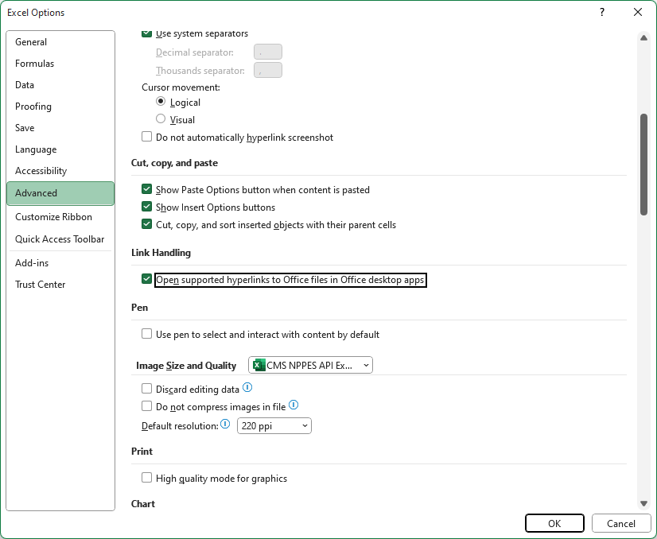
1003003609
1003003856
1003004151
1003004540
1003004904
1003004938
1003005257
1003005372
1003005729
1003006149
1003006172
1003006602
1003007022
1003007048
1003007204
1003007360
1003007741
1003007964
1003007980
1003009861
1003009986
1003010208
1003010406
1003010661
1003010687
1003010844
1003011065
1003011396
1003011834
1003011859
1003011982
1003012345
1003012352
1003012410
1003012840
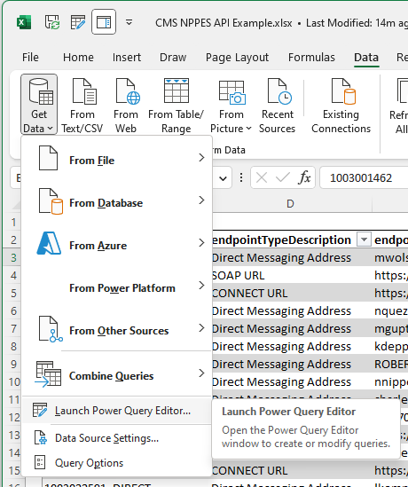
1003012956
1003013061
1003013442
1003013533
1003013848
1003013947
1003014267
1003014457
1003014606
1003014911
1003015066
1003015140
1003015439
1003015785
1003016122
1003016205
1003016353
1003016940
1003017104
1003017112
1003017393
1003017427
1003017641
1003018086
1003018276
1003018748
1003018763
1003018870
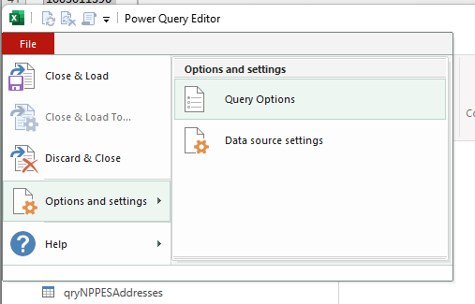
1003019092
1003019563
1003019613
1003020264
1003020819
1003021114
1003021700
1003021825
1003021882
1003021973
1003022013
1003022435
1003022500
1003022591
1003022807
1003022823
1003023581
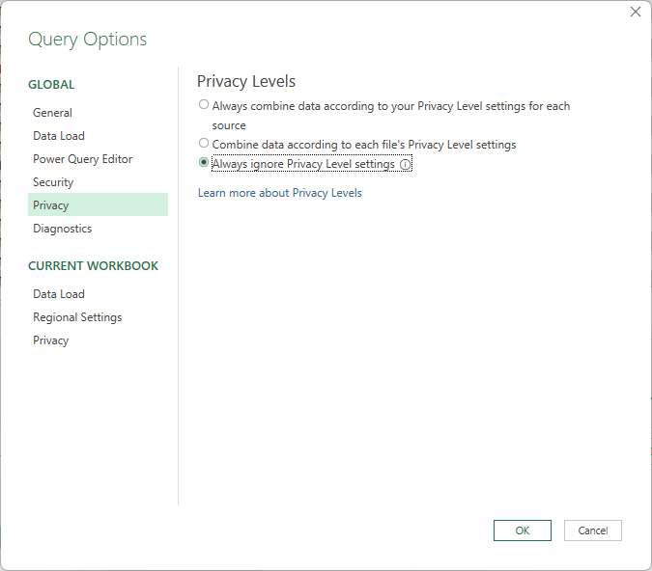
1003024357
1003024365
1003025271
1003026055
1003026212
1003026295
1003026410
1003026485
1003027038
1003027376
1003027533
1003027913
1003027947
1003028051
1003028101
1003028663
1003029026
1003029620
1003029836
1003030040
1003030297
1003030578
1003030651
1003030693
1003031188
1003031212
1003031261
1003033184
1003033689
1003034257
1003034620
1003036005
1003036237
1003036310
1003036427
1003037169
1003037359
1003037987
1003038530
1003038860
1003039819
1003040031
1003040254
1003040528
1003040676
1003041336
1003041443
1003041641
1003041708
1003041757
1003041849
1003041930
1003042169
1003042490
1003042664
1003042672
1003042920
1003043027
1003043043
1003043100
1003043209
1003043399
1003043423
1003043464
1003043506
1003043571
1003043621
1003044017
1003044322
1003044348
1003044736
1003044819
1003044876
1003045063
1003045071
1003045097
1003045386
1003045394
1003045634
1003046020
1003046806
1003046822
1003046897
1003046962
1003047218
1003047242
1003047390
1003047457
1003047523
1003047853
1003048745
1003049115
1003049123
1003049255
1003050071
1003050204
1003050303
1003050493
1003050519
1003050642
1003050691
1003050782
1003050956
1003051178
1003051269
1003051715
1003051731
1003052135
1003052218
1003052788
1003053240
1003053364
1003053976
1003054214
1003054966
1003055161
1003055179
1003055252
1003055575
1003056268
1003056300
1003056433
1003056516
1003056755
1003057118
1003057266
1003057464
1003057902
1003058074
1003058397
1003058736
1003058900
1003059031
1003059114
1003059197
1003059288
1003059312
1003059379
1003059403
1003059510
1003059676
1003059783
1003059874
1003060211
1003061367
1003062035
1003062258
1003062605
1003062670
1003063181
1003063355
1003063488
1003063504
1003063728
1003064106
1003064288
1003064700
1003064825
1003064999
1003065046
1003066846
1003067034
1003067786
1003067794
1003069147
1003069501
1003069709
1003069733
1003069758
1003069956
1003070004
1003070129
1003070327
1003070558
1003070681
1003070749
1003070954
1003071010
1003071374
1003071416
1003071572
1003072000
1003072604
1003072612
1003072893
1003072950
1003073164
1003073396
1003073438
1003073941
1003074097
1003074154
1003074212
1003074246
1003074303
1003074311
1003074832
1003074873
1003075060
1003075110
1003075243
1003075276
1003075383
1003075433
1003075771
1003075797
1003075920
1003076183
1003076217
1003076365
1003076761
1003076886
1003076902
1003077017
1003077181
1003077223
1003077322
1003077421
1003077652
1003077892
1003077934
1003077991
1003078015
1003078072
1003078171
1003078312
1003078619
1003078692
1003078965
1003079112
1003079187
1003079286
1003079625
1003079922
1003079989
1003080375
1003080482
1003080490
1003081076
1003081936
1003081985
1003082660
1003082785
1003082850
1003083163
1003083247
1003083304
1003083395
1003083650
1003084203
1003084302
1003084591
1003084625
1003084971
1003085226
1003086315
1003086976
1003087289
1003087487
1003087917
1003088113
1003088436
1003088675
1003088840
1003089152
1003089319
1003089665
1003089673
1003089772
1003090093
1003090143
1003090275
1003090424
1003091414
1003092883
1003093147
1003093253
1003093774
1003094723
1003094772
1003095134
1003096819
1003096959
1003097593
1003098047
1003098070
1003098310
1003098542
1003098815
1003099813
1003100025
1003100223
1003100249
1003100652
1003101056
1003101130
1003101148
1003101585
1003102146
1003102211
1003102732
1003102740
1003102989
1003103102
1003103128
1003103235
1003103367
1003103474
1003103516
1003103532
1003103706
1003103755
1003104084
1003104381
1003105065
1003105099
1003105677
1003105719
1003105750
1003106071
1003106089
1003106287
1003106444
1003106824
1003106964
1003107178
1003107269
1003108168
1003108184
1003108325
1003108697
1003109372
1003109604
1003109620
1003110180
1003110305
1003110529
1003110560
1003110784
1003112251
1003112335
1003112426
1003112590
1003112657
1003112673
1003112954
1003113200
1003113432
1003113671
1003114521
1003115155
1003115296
1003115478
1003115551
1003115700
1003115783
1003115999
1003116823
1003116971
1003117847
1003118076
1003118159
1003118696
1003119975
1003120221
1003120247
1003120338
1003121237
1003121930
1003121963
1003122441
1003122573
1003122698
1003122714
1003123720
1003124348
1003124660
1003125048
1003125485
1003127093
1003127366
1003127457
1003127606
1003127861
1003127895
1003128125
1003128232
1003128422
1003128828
1003128976
1003129297
1003129610
1003129685
1003129917
1003130618
1003130808
1003130972
1003131053
1003131061
1003131285
1003131558
1003131616
1003131749
1003131798
1003131939
1003132267
1003132440
1003132663
1003132861
1003133315
1003133612
1003134446
1003134586
1003134636
1003134974
1003135914
1003135989
1003136490
1003136516
1003136805
1003136847
1003137084
1003137399
1003137415
1003137449
1003137746
1003137944
1003138181
1003138611
1003139692
1003139932
1003142084
1003142365
1003142530
1003142852
1003143314
1003143934
1003144296
1003144593
1003144973
1003145038
1003146598
1003146606
1003146689
1003146945
1003147216
1003147794
1003147976
1003148511
1003148735
1003149329
1003149477
1003149972
1003150327
1003150699
1003152174
1003152265
1003152323
1003153347
1003153529
1003153644
1003153743
1003154725
1003155730
1003155912
1003156027
1003156209
1003156423
1003157371
1003157546
1003158031
1003158106
1003158130
1003158163
1003158254
1003158502
1003158577
1003158817
1003159088
1003159252
1003159328
1003159666
1003159674
1003159872
1003159880
1003159898
1003160516
1003160623
1003161993
1003162041
1003162256
1003162298
1003162652
1003162959
1003163007
1003163130
1003163742
1003163759
1003164146
1003164179
1003165374
1003165911
1003165945
1003165960
1003166042
1003166612
1003166968
1003167206
1003167495
1003168287
1003168683
1003168857
1003169814
1003170036
1003170093
1003170275
1003170416
1003170713
1003170762
1003170952
1003171091
1003171695
1003171901
1003172040
1003172180
1003172362
1003172750
1003172933
1003172974
1003173014
1003173212
1003173477
1003173485
1003173493
1003173527
1003173550
1003173568
1003173832
1003173915
1003173956
1003174103
1003174566
1003174905
1003174954
1003175233
1003175464
1003175530
1003175597
1003176710
1003177049
1003177304
1003177361
1003177676
1003178294
1003178427
1003178674
1003178682
1003178856
1003179151
1003179318
1003179433
1003179623
1003179961
1003180431
1003181306
1003182031
1003182064
1003182106
1003182122
1003182650
1003182973
1003184128
1003187030
1003187600
1003187808
1003188004
1003188293
1003188327
1003190711
1003192642
1003192667
1003193129
1003193350
1003194077
1003194085
1003194093
1003194531
1003194549
1003195751
1003195801
1003196171
1003196197
1003197088
1003197237
1003197690
1003200114
1003200148
1003200304
1003200395
1003200700
1003200858
1003201146
1003201179
1003201195
1003201427
1003201435
1003201518
1003201799
1003201872
1003202037
1003202128
1003202268
1003202664
1003202748
1003202946
1003203001
1003203118
1003203324
1003203464
1003203662
1003203704
1003203951
1003204033
1003204850
1003205238
1003205683
1003205857
1003206301
1003206913
1003207366
1003208026
1003209529
1003211509
1003212176
1003212184
1003212408
1003212812
1003213604
1003213844
1003215427
1003215435
1003217480
1003217522
1003219312
1003219809
1003220120
1003220187
1003220351
1003220518
1003220625
1003220666
1003220732
1003220898
1003221094
1003221193
1003221276
1003221391
1003221631
1003221714
1003221763
1003221771
1003222027
1003222068
1003222431
1003222449
1003222928
1003223835
1003224197
1003224411
1003224577
1003224809
1003225152
1003225194
1003225244
1003226051
1003226077
1003226218
1003227000
1003227026
1003227109
1003227349
1003227554
1003227737
1003227802
1003227810
1003227950
1003227976
1003228230
1003228479
1003228537
1003228818
1003229162
1003229840
1003230392
1003231408
1003231812
1003232612
1003233057
1003233222
1003233420
1003234071
1003234089
1003234154
1003234394
1003234410
1003234857
1003235185
1003235193
1003235359
1003235557
1003235912
1003236373
1003236548
1003236787
1003237769
1003239450
1003240359
1003242165
1003242298
1003242546
1003243361
1003243437
1003243742
1003243981
1003244880
1003245317
1003245853
1003246208
1003247198
1003247230
1003247446
1003247578
1003247735
1003247792
1003248246
1003248907
1003249566
1003249699
1003250366
1003250457
1003250614
1003250622
1003250887
1003251166
1003251299
1003251349
1003251497
1003251943
1003252297
1003252651
1003252909
1003253121
1003253238
1003253410
1003253725
1003253931
1003253964
1003254525
1003254590
1003254673
1003255241
1003255308
1003255357
1003255415
1003255613
1003255753
1003256397
1003256553
1003256736
1003256819
1003256900
1003257130
1003257882
1003258930
1003259243
1003259458
1003259466
1003259532
1003259706
1003259748
1003259854
1003259896
1003260019
1003260068
1003260217
1003260597
1003260803
1003261413
1003262213
1003262288
1003262445
1003262635
1003262668
1003262676
1003262916
1003263468
1003263757
1003263997
1003264110
1003264375
1003264623
1003264763
1003265463
1003265620
1003265919
1003266396
1003266933
1003267006
1003267519
1003267527
1003268194
1003268301
1003268368
1003269085
1003269754
1003270372
1003270497
1003270562
1003270604
1003270638
1003271347
1003271644
1003272261
1003274408
1003275140
1003276197
1003276361
1003277476
1003277906
1003278201
1003278219
1003278243
1003278656
1003278854
1003279001
1003279035
1003279456
1003279498
1003279514
1003279647
1003279670
1003279704
1003279779
1003279811
1003279886
1003280645
1003280900
1003281940
1003282328
1003282393
1003282989
1003283334
1003284068
1003285123
1003286709
1003287186
1003287939
1003288754
1003288762
1003288838
1003289612
1003289836
1003290354
1003290834
1003290883
1003290966
1003291279
1003291378
1003291907
1003291923
1003292574
1003293028
1003293036
1003293788
1003293945
1003293986
1003294042
1003294265
1003294463
1003294737
1003294950
1003295163
1003295197
1003295270
1003295320
1003295379
1003295544
1003295726
1003295932
1003296484
1003296807
1003297011
1003297102
1003297201
1003297342
1003297888
1003298019
1003298365
1003298407
1003298779
1003298852
1003298860
1003299066
1003299165
1003299314
1003299322
1003299439
1003299561

